overview
Business Review Meeting

Region: |  |  | Quarter: |  | Year:

Login Essbase

Application |  | FORPLAN

Server |  | Zhersrvhfm14

Database |  | Forecast

Username |  | LCEL

Password

=> Retrieve

Content

 | Worksheet |  |  | Data source

BRM | GSR w/o ABS - NWC / Inventory |  |  | Essbase
BRM | GSR w/o ABS - Accounts Receivables |  |  | AFO / Essbase / manual
BRM | GSR w/o ABS - Short P&L |  |  | Essbase / manual
BRM | GSR w/o ABS - Sales by country |  |  | Essbase
BRM | GSR w/o ABS - Gross Profit 1 by country |  |  | Essbase
BRM | GSR w/o ABS - Product Line / Sales |  |  | Essbase
BRM | GSR w/o ABS - Business Area / Profit Contribution (PC) % - FX adjusted |  |  | Essbase
BRM | GSR w/o ABS - oCOS / VAR / OPEX |  |  | Essbase
BRM | GSR w/o ABS - Sales Categories |  |  | Essbase
BRM | GSR w/o ABS - FTE |  |  | AFO
BRM | GSR w/o ABS - Top Down Outlook |  |  | Essbase / manual
BRM | GSR w/o ABS - CAPEM |  |  | Essbase
FOR | GSR w/o ABS - Short P&L |  |  | Essbase
FOR | GSR w/o ABS - Sales by country |  |  | Essbase
FOR | GSR w/o ABS - Gross Profit 1 by country |  |  | Essbase
FOR | GSR w/o ABS - Product Line / Sales - FX adjusted |  |  | Essbase
FOR | GSR w/o ABS - Busniess Area / Profit Contribution (PC) % - FX adjusted |  |  | Essbase
FOR | GSR w/o ABS - oCOS / VAR / OPEX |  |  | Essbase

Trainings slide
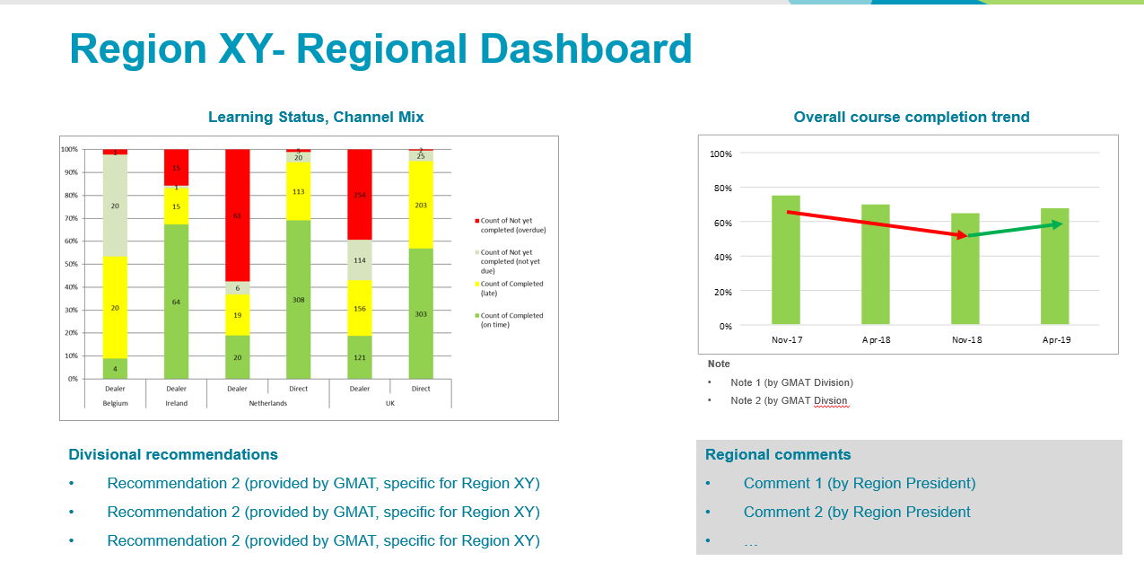

BRM (1)
 | GSR w/o ABS - NWC / Inventory

Inventory
 | Demo Inventory Gross | Rental Inventory Gross | Service Inventory Gross | WIP and Raw Material Gross | Available Finished Goods Gross | Gross Inventories
Mar |  | 1,221 |  |  | 2,444 | 3,664
Jun |  | 1,446 |  |  | 2,699 | 4,145
Sep |  | 1,404 |  |  | 2,835 | 4,239
Dec |  | 1,426 |  |  | 2,859 | 4,286
Mar |  | 1,529 |  |  | 2,767 | 4,296
Jun |  | 1,369 |  |  | 2,615 | 3,985
Sep |  | 1,356 |  |  | 2,709 | 4,064
Dec |  | 1,177 |  |  | 2,642 | 3,819
Mar |  | 1,056 |  |  | 3,245 | 4,301
Jun |  | 951 |  |  | 2,973 | 3,925
Sep |  | 1,356 |  |  | 3,361 | 4,716
Dec |  | 1,560 |  |  | 3,907 | 5,467
Mar |  | 1,689 |  |  | 4,467 | 6,156

Comment:
Please change formual for QoQ and YoY manually for next quarters.
 | all values in mEUR |  |  |  | CY17 | CY17 | CY17 | CY17 | CY18 | CY18 | CY18 | CY18 | CY19 | CY19 | CY19 | CY19 | QoQ | YoY
 |  |  |  |  | Q1 | Q2 | Q3 | Q4 | Q1 | Q2 | Q3 | Q4 | Q1 | Q2 | Q3 | Q4
 | Trade Accounts Receivable |  |  |  | 5.5 | 4.8 | 4.5 | 4.6 | 4.2 | 3.5 | 3.2 | 3.0 | 4.2 | 0.0 | 0.0 | 0.0 | 1.2 | 0.0
 | Gross Inventories |  |  |  | 4.3 | 4.0 | 4.1 | 3.8 | 4.3 | 3.9 | 4.7 | 5.5 | 6.2 | 0.0 | 0.0 | 0.0 | 0.7 | 1.9
 | Net Inventories |  |  |  | 4.3 | 4.0 | 4.0 | 3.8 | 4.3 | 3.9 | 4.7 | 5.5 | 6.1 | 0.0 | 0.0 | 0.0 | 0.7 | 1.9
 | NWC |  |  |  | 8.6 | 7.6 | 7.4 | 7.6 | 7.7 | 6.7 | 7.2 | 8.9 | 11.1 | 0.0 | 0.0 | 0.0 | 2.2 | 3.4
 | NWC w/o Rental |  |  |  | 7.0 | 6.2 | 6.0 | 6.4 | 6.6 | 5.8 | 5.8 | 7.3 | 9.4 | 0.0 | 0.0 | 0.0 | 2.1 | 2.8

Likely plus Potential
Actual
Euro
Current Input
LATAM GSR
PLANNING UNITS BY REGION
BAs for GSR w/o ABS
SC_Total
 | CY16 | CY16 | CY16 | CY16 | CY17 | CY17 | CY17 | CY17 | CY18 | CY18 | CY18 | CY18 | CY19 | CY19 | CY19 | CY19
 | Mar | Jun | Sep | Dec | Mar | Jun | Sep | Dec | Mar | Jun | Sep | Dec | Mar | Jun | Sep | Dec
Trade Accounts Receivable | 4,501 | 5,530 | 5,553 | 5,595 | 5,485 | 4,793 | 4,504 | 4,635 | 4,214 | 3,482 | 3,167 | 2,998 | 4,222 |  | 0 | 0
Net Inventories | 3,630 | 4,110 | 4,205 | 4,252 | 4,260 | 3,951 | 4,031 | 3,788 | 4,270 | 3,895 | 4,680 | 5,456 | 6,127 |  | 0 | 0
Total Current Payables | -1,569 | -1,625 | -1,695 | -1,656 | -1,864 | -1,935 | -1,499 | -1,160 | -1,201 | -1,012 | -1,215 | -868 | -443 |  | 0 | 0
NWC | 7,355 | 8,848 | 8,842 | 8,948 | 8,579 | 7,593 | 7,384 | 7,599 | 7,655 | 6,706 | 7,203 | 8,885 | 11,100 |  | 0 | 0
Demo Inventory Gross | - |  |  |  |  |  |  |  |  |  |  |  |  |  | 0 | 0
Rental Inventory Gross | 1,221 | 1,446 | 1,404 | 1,426 | 1,529 | 1,369 | 1,356 | 1,177 | 1,056 | 951 | 1,356 | 1,560 | 1,689 |  | 0 | 0
Service Inventory Gross | - |  |  |  |  |  |  |  |  |  |  |  |  |  | 0 | 0
WIP and Raw Material Gross | - |  |  |  |  |  |  |  |  |  |  |  |  |  | 0 | 0
Available Finished Goods Gross | 2,444 | 2,699 | 2,835 | 2,859 | 2,767 | 2,615 | 2,709 | 2,642 | 3,245 | 2,973 | 3,361 | 3,907 | 4,467 |  | 0 | 0
Gross Inventory N | 3,664 | 4,145 | 4,239 | 4,286 | 4,296 | 3,985 | 4,064 | 3,819 | 4,301 | 3,925 | 4,716 | 5,467 | 6,156 |  | 0 | 0
NWC w/o Rental | 6,135 | 7,402 | 7,437 | 7,522 | 7,050 | 6,224 | 6,028 | 6,422 | 6,599 | 5,754 | 5,848 | 7,325 | 9,411 | - | - | -

Adjsutment from BRM (2) | 0 | 0 | 0 | 0 | 0 | 0 | 0 | 0 | 0 | 0 | 0 | 0 | 0 | 0 | 0 | 0
Trade Accounts Receivable (adjusted) | 4,501 | 5,530 | 5,553 | 5,595 | 5,485 | 4,793 | 4,504 | 4,635 | 4,214 | 3,482 | 3,167 | 2,998 | 4,222 | - | - | -
NWC (adjusted) | 7,355 | 8,848 | 8,842 | 8,948 | 8,579 | 7,593 | 7,384 | 7,599 | 7,655 | 6,706 | 7,203 | 8,885 | 11,100 | - | - | -
NWC w/o Rental (adjusted) | 6,135 | 7,402 | 7,437 | 7,522 | 7,050 | 6,224 | 6,028 | 6,422 | 6,599 | 5,754 | 5,848 | 7,325 | 9,411 | - | - | -

Check | - | - | - | - | - | - | - | - | - | - | - | - | - | - | - | -

BRM (2)
GSR w/o ABS - Accounts Receivables

Top 30 Debtors
 |  | in kEUR
Cust. no. | Customer | Outstandings | Overdue | % | Thereof > 30 days |  |  |  | Trade Accounts Receivable | Sales 3rd party | DSO at quarter end
 |  |  |  |  |  |  | CY16 | Q1 | 4,501 | 6,444 | 62.87
265459 | Grupo Ginpro S.A. de C.V. | 1948.6 | 1375.0 | 71% | 1622.5 |  |  | Q2 | 5,530 | 4,494 | 110.75
279209 | QSI Peru S.A. | 1728.3 | 53.3 | 3% | -4.5 |  |  | Q3 | 5,553 | 5,417 | 92.26
278497 | Fravic Geosystems & Instruments | 608.1 | 606.1 | 100% | 781.3 |  |  | Q4 | 5,595 | 5,572 | 90.37
210472 | Horizons South America S.A.C. | 570.4 | 570.4 | 100% | 570.4 |  | CY17 | Q1 | 5,485 | 4,571 | 107.99
162169 | Sistemas y Servicios para | 513.6 | 353.3 | 69% | 402.5 |  |  | Q2 | 4,793 | 5,445 | 79.22
38685 | SGT LTDA | 486.1 | 486.1 | 100% | 486.1 |  |  | Q3 | 4,504 | 5,395 | 75.13
297825 | FUERZA AEREA BOLIVIANA | 425.4 | 425.4 | 100% | 425.4 |  |  | Q4 | 4,635 | 6,058 | 68.87
315483 | ACRE COLOMBIA SAS | 262.1 | 81.0 | 31% | 56.6 |  | CY18 | Q1 | 3,327 | 5,195 | 72.99
275433 | ACRE Surveying Solutions Panama, S. | 203.8 | -2.7 | -1% | 0.0 |  |  | Q2 | 3,482 | 5,080 | 61.70
57418 | Cientec Instrumentos | 174.9 | 108.1 | 62% | 99.4 |  |  | Q3 | 3,167 | 4,285 | 66.53
36888 | Geosys, Ltda. | 140.1 | 140.1 | 100% | 140.3 |  |  | Q4 | 2,998 | 5,903 | 45.71
164325 | GEOCAD | 122.7 | 4.1 | 3% | 0.0 |  | CY19 | Q1 | 4,222 | 6,209 | 61.20
166001 | FAP | 100.9 | 0.0 | 0% | 0.0 |  |  | Q2 | - |  | #DIV/0!
354748 | Rock Point Servicios Geotechnicos | 78.7 | 0.0 | 0% | 0.0 |  |  | Q3 | - |  | #DIV/0!
206056 | Moviles C.R. | 76.7 | 16.5 | 21% | 70.8 |  |  | Q4 | - |  | #DIV/0!
285404 | Lógica Ingeniería Topográfica SA de | 52.8 | 52.8 | 100% | 52.8
265974 | Distribucion Topografica | 50.4 | 0.0 | 0% | 0.0
339338 | Terragraph Geoprocessamento e | 42.3 | 42.3 | 100% | 42.3
302101 | INSTOP COLOMBIA S.A.S. | 28.8 | 28.8 | 100% | 31.8
333693 | Geotop - Geodesia y Topografia SRL | 28.7 | 0.5 | 2% | 0.5
201015 | VIETIC CIA LTDA | 23.3 | 23.3 | 100% | 22.9
334213 | Geobauen SRL | 20.9 | 1.7 | 8% | 12.3
214035 | Atoyac Comercio Internacional S.A.d | 17.8 | -1.9 | -10% | -1.9
354646 | QSI INDUSTRIAL BOLIVIA S.A | 15.6 | 0.0 | 0% | 0.0
333744 | Survey Rental & Sales S.A.C. | 15.4 | 0.0 | 0% | 0.0
268681 | MC SYSTEM SpA - Chile | 14.3 | 0.0 | 0% | 0.0
53702 | INSTANT PRINT CORP | 11.4 | 0.0 | 0% | 0.0
63410 | Geosistemas, S.R.L. | 10.9 | 0.0 | 0% | 0.0
10376 | Precision, S.A. | 3.5 | 1.7 | 47% | 0.0
329646 | GEODESIA Y TOPOGRAFIA SAC | 3.4 | -0.3 | -9% | 0.0
Top 30 |  | 7,780.1 | 4,365.8 | 56% | 4,811.6

Total A/R |  | 7,784.6 | 4,365.3 | 56% | 4,811.6

Top 30 Outstanding % of total A/R |  | 100%

Comment:
Please insert manually regional "Accounts Receivable" reported in entities LGS AG Heerbrugg, LGT Odense and other non-regional entities in highlighted column below.
Comment:
Data for graph is hidden behind the graph!
Likely plus Potential
Actual
SC_Total
Euro
Current Input
LATAM GSR
PLANNING UNITS BY REGION
BAs for GSR w/o ABS

 |  | Trade Accounts Receivable | Sales 3rd party | DSO at quarter end | AR non-regional entities | Trade Accounts Receivable (adjusted)
CY16 | Jan | 3,395 | 526 |  |  | 3,395
 | Feb | 2,982 | 1,068 |  |  | 2,982
 | Mar | 4,501 | 4,850 | 62.87 |  | 4,501
 | Apr | 3,993 | 733 | 54.03 |  | 3,993
 | May | 4,584 | 818 | 64.47 |  | 4,584
 | Jun | 5,530 | 2,944 | 110.75 |  | 5,530
 | Jul | 5,109 | 944 | 97.71 |  | 5,109
 | Aug | 4,959 | 881 | 93.59 |  | 4,959
 | Sep | 5,553 | 3,592 | 92.26 |  | 5,553
 | Oct | 5,676 | 1,057 | 92.37 |  | 5,676
 | Nov | 6,371 | 1,846 | 88.28 |  | 6,371
 | Dec | 5,595 | 2,668 | 90.37 |  | 5,595
CY17 | Jan | 5,020 | 690 | 86.81 |  | 5,020
 | Feb | 4,610 | 1,137 | 92.31 |  | 4,610
 | Mar | 5,485 | 2,744 | 107.99 |  | 5,485
 | Apr | 5,311 | 1,053 | 96.87 |  | 5,311
 | May | 5,285 | 1,575 | 88.55 |  | 5,285
 | Jun | 4,793 | 2,818 | 79.22 |  | 4,793
 | Jul | 3,765 | 717 | 66.32 |  | 3,765
 | Aug | 3,474 | 1,322 | 64.37 |  | 3,474
 | Sep | 4,504 | 3,356 | 75.13 |  | 4,504
 | Oct | 4,542 | 1,207 | 69.47 |  | 4,542
 | Nov | 4,199 | 1,125 | 66.45 |  | 4,199
 | Dec | 4,635 | 3,726 | 68.87 |  | 4,635
CY18 | Jan | 3,724 | 697 | 60.41 |  | 3,724
 | Feb | 3,736 | 1,627 | 55.57 |  | 3,736
 | Mar | 4,214 | 2,870 | 72.99 |  | 4,214
 | Apr | 3,327 | 635 | 58.33 |  | 3,327
 | May | 3,172 | 1,572 | 56.22 |  | 3,172
 | Jun | 3,482 | 2,873 | 61.70 |  | 3,482
 | Jul | 3,442 | 830 | 58.72 |  | 3,442
 | Aug | 3,071 | 836 | 60.87 |  | 3,071
 | Sep | 3,167 | 2,618 | 66.53 |  | 3,167
 | Oct | 3,465 | 1,106 | 68.40 |  | 3,465
 | Nov | 3,459 | 1,144 | 63.96 |  | 3,459
 | Dec | 2,998 | 3,654 | 45.71 |  | 2,998
CY19 | Jan | 2,906 | 1,168 | 43.83 |  | 2,906
 | Feb | 2,798 | 986 | 43.35 |  | 2,798
 | Mar | 4222.32277 | 4054.880626 | 61.20 |  | 4,222
 | Apr | 0 | 0 | - |  | -
 | May | 0 | 0 | - |  | -
 | Jun | 0 | 0 | #DIV/0! |  | -
 | Jul | 0 | 0 | #DIV/0! |  | -
 | Aug | 0 | 0 | #DIV/0! |  | -
 | Sep | 0 | 0 | #DIV/0! |  | -
 | Oct | 0 | 0 | #DIV/0! |  | -
 | Nov | 0 | 0 | #DIV/0! |  | -
 | Dec | 0 | 0 | #DIV/0! |  | -

BRM (3)
GSR w/o ABS - Short P&L

Region: | LATAM GSR
Division: | BAs for GSR w/o ABS

Comment:
Please show organic growth rate (YoY) in presentation if applicable for your region.
Organic Growth = Growth FX adjusted minus acquisition effects).
 | CY18 | CY18 | CY19 | CY19 | Deviation |  |  | CY18 | CY19 | Deviation
all values in kEUR | Q1 | Q4 | Q1 | Q1 |  |  |  | Y-T-D(Mar) | Y-T-D(Mar)
 | Act | Act | LFOR | ACT | ACT / LFOR | ACT / LY | ACT / LQ | Act | ACT | ACT / LY
Total Sales | 5,204 | 5,918 | 6,434 | 6,213 | -221 | 1,009 | 295 | 5,204 | 6,213 | 1,009
Total Sales - FX adj. | 5,208 | 5,925 |  |  | -221 | 1,004 | 287 | 5,208 |  | 1,004
Growth - FX adj. |  |  | 23.5% | 19.3% | -4.2% pts |  |  |  | 19.3%
Gross Profit 1 | 2,844 | 3,576 | 3,485 | 3,846 | 361 | 1,001 | 270 | 2,844 | 3,846 | 1,001
GP1 % | 54.7% | 60.4% | 54.2% | 61.9% | -162.9% | 99.3% | 91.5% | 54.7% | 61.9% | 99.3%
Var+OCOS | -63 | 48 | -68 | -53 | 15 | 10 | -101 | -63 | -53 | 10
Gross Profit 2 | 2,781 | 3,624 | 3,417 | 3,793 | 375 | 1,011 | 169 | 2,781 | 3,793 | 1,011
GP2 % | 53.4% | 61.2% | 53.1% | 61.0% | -169.6% | 100.3% | 57.2% | 53.4% | 61.0% | 100.3%
Total OPEX | -1,274 | -1,473 | -1,622 | -1,779 | -157 | -505 | -307 | -1,274 | -1,779 | -505
Total OPEX % | -24.5% | -24.9% | -25.2% | -28.6% | 71.0% | -50.1% | -103.9% | -24.5% | -28.6% | -50.1%
Profit Contribution | 1,507 | 2,151 | 1,795 | 2,013 | 218 | 506 | -138 | 1,507 | 2,013 | 506
PC % | 29.0% | 36.4% | 27.9% | 32.4% | -98.6% | 50.2% | -46.7% | 29.0% | 32.4% | 50.2%

Software & Services % | 13.1% | 19.8% | 12.5% | 16.3% | -95.3% | 32.9% | -53.6% | 13.1% | 16.3% | 32.9%

Division: | BU Surveying & Engineering w IDS
Total Sales | 3,445 | 2,861 | 3,420 | 3,739 | 319 | 293 | 878 | 3,445 | 3,739 | 293
Profit Contribution | 1,146 | 999 | 1,070 | 1,225 | 155 | 79 | 226 | 1,146 | 1,225 | 79
PC % | 33.3% | 34.9% | 31.3% | 32.8% | 48.7% | 26.9% | 25.7% | 33.3% | 32.8% | 26.9%

Division: | Other BU's
Total Sales | 1,759 | 3,057 | 3,014 | 2,474 | -540 | 715 | -582 | 1,759 | 2,474 | 715
Profit Contribution | 361 | 1,152 | 726 | 789 | 63 | 427 | -364 | 361 | 789 | 427
PC % | 20.5% | 37.7% | 24.1% | 31.9% | -11.7% | 59.8% | 62.4% | 20.5% | 31.9% | 59.8%

BRM (9)
GSR w/o ABS - Sales Categories

Region: | LATAM GSR
Division: | BAs for GSR w/o ABS

Comment:
Please be aware that new quarters and Rental Inventory Net have to be added manually.
 | CY17 | CY17 | CY17 | CY17 | CY18 | CY18 | CY18 | CY18 | CY19
 | Q1 | Q2 | Q3 | Q4 | Q1 | Q2 | Q3 | Q4 | Q1
Stand alone Service | 3 | 2 | 1 | 2 | 3 | 5 | 10 | 12 | 11
Software | 168 | 176 | 183 | 196 | 199 | 268 | 247 | 499 | 491
Consulting & Training | 23 | 18 | 41 | 9 | 10 | 11 | 22 | 36 | 34
Deployment & Installation | 0 | 3 | 4 | 4 | 0 | 1 | 0 | 24 | 4
Rental | 278 | 297 | 257 | 284 | 232 | 170 | 156 | 175 | 128
Technical Services | 244 | 408 | 396 | 562 | 236 | 275 | 256 | 425 | 345
Software / Service | 717 | 904 | 881 | 1,057 | 681 | 730 | 692 | 1,171 | 1,013
Software / Service % | 15.7% | 16.6% | 16.2% | 17.4% | 13.1% | 14.2% | 15.1% | 19.8% | 16.3%

Used Goods | 2 | 27 | 8 | 9 | 52 | 65 | 37 | 101 | 74
Non Group Products | 13 | 3 | 1 | 14 | 7 | 2 | 2 | 3 | 1
Product | 3,840 | 4,516 | 4,535 | 4,981 | 4,465 | 4,350 | 3,855 | 4,643 | 5,125
Products, NGP & Used | 3,855 | 4,547 | 4,544 | 5,005 | 4,523 | 4,416 | 3,893 | 4,747 | 5,200
Products, NGP & Used % | 84.3% | 83.4% | 83.8% | 82.6% | 86.9% | 85.8% | 84.9% | 80.2% | 83.7%

Total Sales Categories | 4,571 | 5,451 | 5,425 | 6,062 | 5,204 | 5,146 | 4,586 | 5,918 | 6,213

Rental Inventory Gross | 1,529 | 1,369 | 1,356 | 1,177 | 1,056 | 951 | 1,356 | 1,560 | 1,689

BRM (10)
GSR w/o ABS - FTE

Region: | LATAM GSR
Division: | BAs for GSR w/o ABS
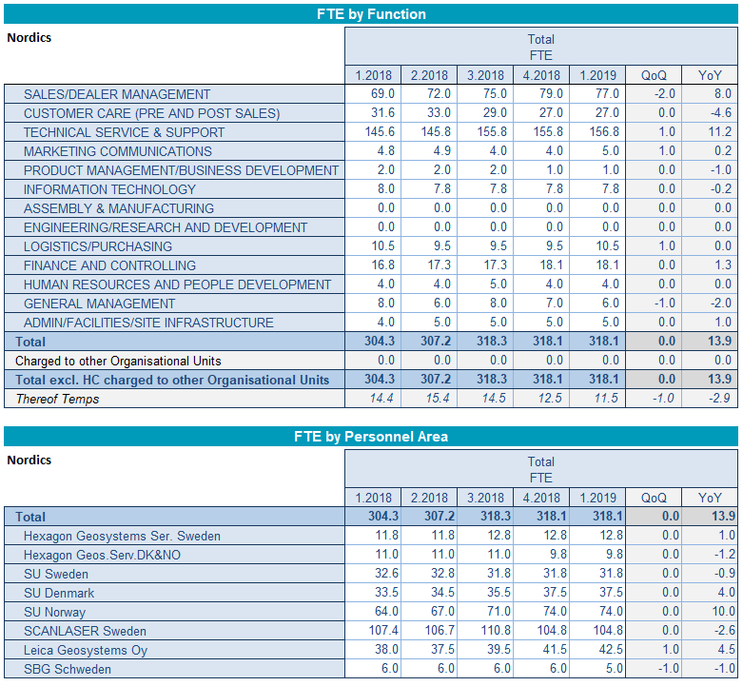

Comment:
Please be aware that the line "Charged to other Organisational Units" is manual input

BRM (11)
GSR w/o ABS - Top Down Outlook

Region: | LATAM GSR
Division: | BAs for GSR w/o ABS

Comment:
Please input Top Down Adjustments for the next five quarters in the highlighted cells. Add new column for next quarter.
 | Actual | Actual | Actual | Actual | Actual | Actual | Actual | Forecast | Forecast | Forecast | Forecast | Forecast
 | CY17 | CY18 | CY18 | CY18 | CY18 | CY18 | CY19 | CY19 | CY19 | CY19 | CY19 | CY20
Essbase: | Y-T-D(Dec) | Q1 | Q2 | Q3 | Q4 | Y-T-D(Dec) | Q1 | Q2 | Q3 | Q4 | Y-T-D(Dec) | Q1

Total Sales | 21,509 | 5,204 | 5,146 | 4,586 | 5,918 | 20,853 | 6,213 | 7,973 | 7,840 | 7,554 | 29,580
Growth |  |  |  |  |  | -3.0% | 19.4% | 54.9% | 71.0% | 27.7% | 41.8%
Profit Contribution | 6,735 | 1,507 | 1,460 | 1,048 | 2,151 | 6,166 | 2,013 | 3,233 | 3,092 | 3,012 | 11,351
PC % | 31.3% | 29.0% | 28.4% | 22.8% | 36.4% | 29.6% | 32.4% | 40.5% | 39.4% | 39.9% | 38.4%

Top Down Adjustments:

Total Sales
Profit Contribution
PC % |  |  |  |  |  |  |  | n.a. | n.a. | n.a. | n.a. | n.a.

Top Down Outlook:

Total Sales | 21,509 | 5,204 | 5,146 | 4,586 | 5,918 | 20,853 | 6,213 | 7,973 | 7,840 | 7,554 | 29,580 | -
Growth |  |  |  |  |  | -3.0% | 19.4% | 54.9% | 71.0% | 27.7% | 41.8% | -100.0%
Profit Contribution | 6,735 | 1,507 | 1,460 | 1,048 | 2,151 | 6,166 | 2,013 | 3,233 | 3,092 | 3,012 | 11,351 | -
PC % | 31.3% | 29.0% | 28.4% | 22.8% | 36.4% | 29.6% | 32.4% | 40.5% | 39.4% | 39.9% | 38.4% | #DIV/0!

